Portfolio Dashboard
 |  | Dashboard Tag | Entitites considered | Formula | Resolution | Parameter to be considered | Tag Available under
 | 1 | PV power | All plants under one parent cutomer | Sum of Total Power of all plants | 5 min | PV Power of each plant | Device: Cal Tag: DB_Plant_Total_Power
 | 2 | PV % increase/decrease |  | Day-1, for exactly same timestamp ((PV power Today 12:00 pm - PV power yesterday 12:00 pm)/PV power Today 12:00 pm) *100 | 5 min | PV power (dashboard Tag)
 | 3 | Daily Energy | All plants under one parent cutomer | Sum of Daily Energy of all plants | 5 min | Daily Energy of each plant | Device: Cal Tag: DB_Plant_Total_Energy
 | 4 | Daily Energy % increase/decrease |  | Day-1, for exactly same timestamp ((Daily Energy Today 12:00 pm - Daily Energy yesterday 12:00 pm)/Daily Energy Today 12:00 pm) *100 | 5 min | Daily Energy (dashboard Tag)
 | 5 | Lifetime Energy | All plants under one parent cutomer | Sum of lifetime energy of all plants | 5 min | Lifetime energy of each plant | Needs to be created in rule chain

 | 6 | Total Revenue | All plants under one parent cutomer | Sum of Revenue of all plants | 5 min | Revenue of each plant | Needs to be created
 | 7 | Total Revenue % increase/decrease |  | Day-1, for exactly same timestamp ((Total Revenue Today 12:00 pm - Total Revenue yesterday 12:00 pm)/Total Revenue Today 12:00 pm) *100 | 5 min | Total Revenue (dashboard Tag)
 | 8 | CO2 saving | All plants under one parent cutomer | Sum of CO2 Saving of all Plants | 5 min | CO2 saving of each plant | needs to be created
 | 9 | CO2 saving increase/decrease |  | Day-1, for exactly same timestamp ((CO2 saving Today 12:00 pm - CO2 saving yesterday 12:00 pm)/CO2 saving Today 12:00 pm) *100 | 5 min | CO2 saving (dashboard Tag)

 | 10 | Map | All plants under one parent cutomer | shows live PV power, Daily energy of each plant, with Plant type icon

 | 11 | Ranking Graph | All plants under one parent cutomer | Daily Energy of Each Plant/DC Capacity of Plant | 5 min | Daily Energy of each Plant DC Capacity of each plant

 | 12 | Energy Yield BAR Graph | All plants under one parent cutomer | bar 1 - Last 7 days Daily Energy SUM of all Plant bar 2 - Last 7 days Energy import SUM of all Plant Line - (PV Plant PR + Wind PR + PV-BESS + PV-DG)/No. of Plants PV PR : (PR value of total portfolio: (Sum of Daily Energy in kWh for all Plants*100)/SUM of DC capacity of all plant*sum of cum. radiation of all plant) Wind PR: Sum of actual energy of all plant/Plant Capacity*24*0.2) BESS PR: (Energy Charged/Energy Discharged)*100 | 5 min |  | Bar 1 - Device : Cal And Tag: DB_Plant_Total_Energy Bar 2 - Consumption Energy sum to be considered i.e. brilliant Printer : AGC_EXPORT_DAY (AGC 4) + Durtek : SL_Grid_Daily_Energy_Export_kWh (Durtek DG)

 | 13 | Red, Green, Grey Colour bubble | All plants under one parent cutomer | Red = Total count of Tripped Plant (AC power = 0 & DC power >0) Green = Total Count of working plants (AC Power>0 & DC Power >0) Grey = Total count of plants where telemtery not received | 5 min

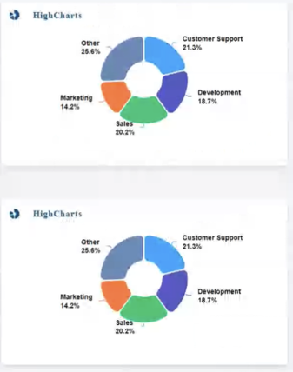 | 14 | Pie 1 (Source Contribution) | All Plants under one parent customer | PV % = Sum of PV power of all Plant/Total Portfolio Power Wind % = Sum of Wind Power of all Plant/Total Portfolio Power BESS % = Sum of BESS power of all Plant/Total Portfolio Power DG % = Sum of DG Power of all Plant/Total Portfolio Power | 5 min

 | 15 | Pie 2 (Asset Summary) | All Plants under one parent customer | Available % Inverter = (Total no. of Inverter with AC power >0)/Total no. of inverters in all plants same for Wind, battery, SCB & DG | 5 min
 | 16

Bess Overview
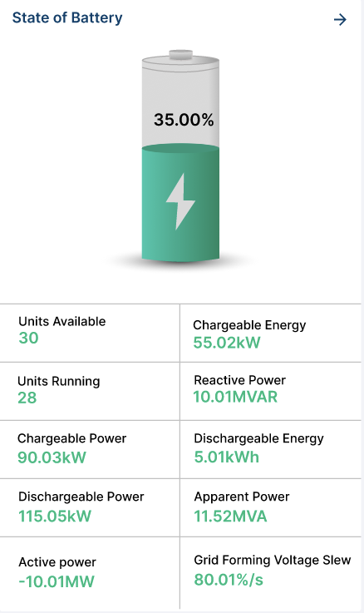
 |  |  | Dashboard Tag | Entitites considered | Formula | Resolution | Parameter to be considered | Tag Available under | Field Device Considered
 | Widget 1 | 1 | Battery Dynamic widget (Aggregated SoC plant level) | BESS (Particular Plant) | Available from Telemtery "SoC" | 5 min | SoC (0-100%) | Device: BESS 1 Tag: B1_ESS_ESS1_SoC | Huawei smartlogger
 |  | 2 | Chargeable Energy | BESS (Particular Plant) | Available from Telemtery "Chargeab le capacity" | 5 min | Chargeab le capacity (kWh) | Device: BESS 1 Tag: B1_ESS_ESS1_Chargeab le capacity | Huawei smartlogger
 |  | 3 | Dischargeable Energy | BESS (Particular Plant) | Available from Telemtery "Chargeab le capacity" | 5 min | Dischargeab le capacity (kWh) | Device: BESS 1 Tag: B1_ESS_ESS1_Dischargeab le capacity | Huawei smartlogger
 |  | 4 | Active Power | BESS (Particular Plant) | Available from Telemtery "Active ESS Power" | 5 min | Active Power (kW) | Device: BESS 1 Tag: B1_ESS_ESS1_Active ESS Power | Huawei smartlogger
 |  | 5 | Reactive Power | BESS (Particular Plant) | Available from Telemtery "Reactive ESS Power" | 5 min | Reactive Power (kVar) | Device: BESS 1 Tag: B1_ESS_ESS1_Reactive ESS Power | Huawei smartlogger
 |  |  | Apparant Power | BESS (Particular Plant) | Available from Telemtery "Apparant ESS Power" | 5 min | Apparent Power (KVA) | Device: BESS 1 Tag: B1_ESS_ESS1_Apparent ESS Power | Huawei smartlogger
 |  | 6 | Charegable Power | BESS (Particular Plant) | Available from Telemtery " Highest stable charge power of ESS" | 5 min | Charegable Power | Device: BESS 1 Tag: B1_ESS_ESS1_Highest stable charge power of ESS | Huawei smartlogger
 |  | 7 | Dischargeable Power | BESS (Particular Plant) | Available from Telemtery " Highest stable discharge power of ESS" | 5 min | Dischargeable Power | Device: BESS 1 Tag: B1_ESS_ESS1_Highest stable discharge power of ESS | Huawei smartlogger
 |  | 8 | Grid forming voltage Slew | BESS (Particular Plant) |  | 5 min |  |  | Huawei smartlogger
 |  | 9 | Units Available | BESS (Particular Plant) | Static count of Battery in plant - 2,3, as per plant | 5 min | Units Available | Static constant | Huawei smartlogger
 |  | 10 | Units Running | BESS (Particular Plant) | Available from Telemtery "Quantity of running ESS PCSs" | 5 min | Units Running | Device: BESS 1 Tag: B1_ESS_ESS1_Quantity of running ESS PCSs | Huawei smartlogger
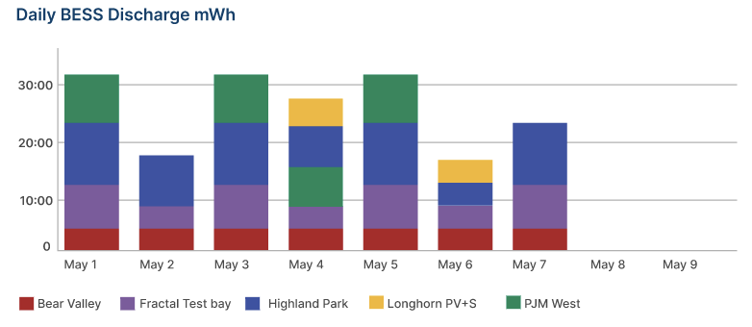
 | Widget 2 | 11 | Daily BESS Discharge mWh (7 days) | BESS (Particular Plant) | Available from telemtery"Energy discharge d today" | 5 min | Energy discharge d today | Device: BESS 1 Tag: B1_ESS_ESS1_Energy discharge d today | Huawei smartlogger

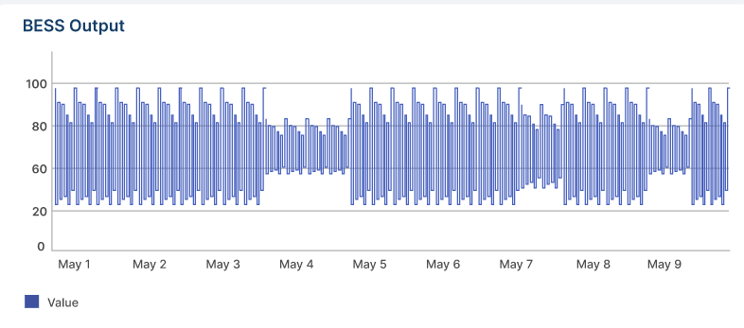
 | Widget 3 | 12 | BESS Output kW (Last 12 Hrs) | BESS (Particular Plant) | Available from telemtery"Active ESS Power" | 5 min | Active ESS Power | Device: BESS 1 Tag: B1_ESS_ESS1_Active ESS Power | Huawei smartlogger

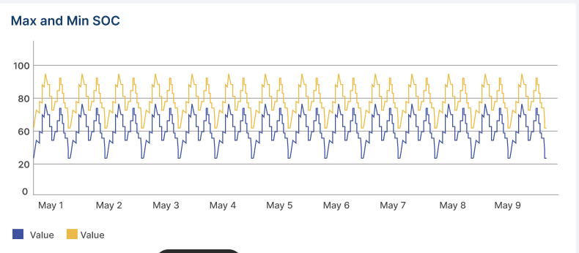
 | Widget 4 | 14 | Max & Min Soc (Last 7 days) | BESS (Particular Plant) | Last 7 days Min and Max values for each day of SoC | 5 min | SoC | Device: BESS 1 Tag: B1_ESS_ESS1_SoC | Huawei smartlogger

 | Widget 5 | 15 | AC Discharge Energy | BESS (Particular Plant) | Available from telemtery"Energy discharge d today" | 5 min | Energy discharge d today | Device: BESS 1 Tag: B1_ESS_ESS1_Energy discharge d today | Huawei smartlogger
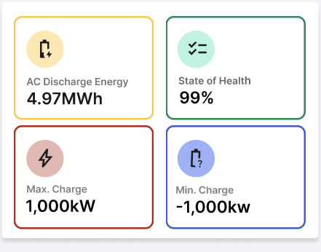 |  | 16 | State of Health % | BESS (Particular Plant) | SoH = (Cmax/Crated)/100 SoH = (Chargeab le capacity/Rated ESS capacity)*100 or directly available from telemetry "SoH" (This to be considered for Maldives project) | 5 min | SoH | Device: BESS 1 Tag: B1_ESS_ESS1_Chargeab le capacity Device: BESS 1 Tag: B1_ESS_ESS1_Rated ESS capacity Device: BESS 1 Tag: B1_ESS_ESS1_SoH | Huawei smartlogger
 |  | 17 | Max. Charge | BESS (Particular Plant) | Available from telemtery "Maximu m ESS charge power" | 5 min | Maximu m ESS charge power | Device: BESS 1 Tag: B1_ESS_ESS1_Maximu m ESS charge power | Huawei smartlogger
 |  | 18 | Min Charge | BESS (Particular Plant) | Available from telemtery "Minimu m active power adjustme nt value" | 5 min | Minimu m active power adjustme nt value | Device: BESS 1 Tag: B1_ESS_ESS1_Minimu m active power adjustme nt value | Huawei smartlogger

 | Widget 6 | 19 | SoC |  | Same as formula 1 | 5 min | Same as formula 1 | Same as formula 1 | Huawei smartlogger
 |  | 20 | DoD |  | DoD = 100-SoC | 5 min | SoC | Same as formula 1 | Huawei smartlogger
 |  | 21 | SoH |  | Same as formula 16 | 5 min | SoH | same as formula 16 | Huawei smartlogger
 |  | 22 | Temperature |  | Temperature battery | 5 min | Temperature battery | Device: BESS 1 Tag: B1_ESS_ESS1_Temperature battery | Deif ASC 150
 |  | 23 | Voltage |  | Average battery cell voltage | 5 min | Average battery cell voltage | Device: BESS 1 Tag: B1_ESS_ESS1_Temperature battery | Deif ASC 150

